1. Title Page
Project Name: Instacart Grocery Basket Analysis
Date: 27.06.2025
Analyst Name: Magi Apostoli

Contents:
Population Flow
Consistency checks
Wrangling steps
Column derivations
Visualizations
Recommendations

2. Population Flow
Population flow

 |  | 32434489 |  |  |  |  | 206209
3421083 |  |  |  |  | 49693

 |  |  |  |  |  |  |  | 206209
 |  |  |  |  |  | 49672
3421083
 |  |  | 32434489

Orders_products_combined
Orders_products_merged
Orders_products_all

Total:
Total:
Total:
 | 32434489 |  |  | 32404859 |  |  | 32404859

3. Consistency checks
 |  |  |  | Title page
Consistency checks

Dataset | Missing values | Missing values treatment | Duplicates
orders | 0 |  | 0
products | 16 | dropped | 5
orders_products_prior | 0 |  | 0
customers | 0 |  | 0

4. Wrangling steps
 |  |  |  | Title page
Wrangling steps

Columns dropped | Columns renamed | Columns' type changed | Comment/Reason
eval_set |  |  | not relevant for analysis
 | days_since_prior_order |  | conciser naming days_between_orders
 | order_dow |  | renamed to more intuitive order_day_of_week
 |  | order_id | from int to str
 | Gender |  | renamed to gender for consistency
 | STATE |  | renamed to state for consistency
 | Age |  | renamed to age for consistency
 | n_dependants |  | renamed to more intuitive household_size
 |  | date_joined | from str to datetime
First Name |  |  | PII
Surnam |  |  | PII
fam_status |  |  | not relevant for analysis

5. Column derivations
Column derivations and aggregations

Dataset | New column | Column/s it was derived from | Conditions

ords_prods_merge | price_range | product_name, price | low-range <=5$; mid-range 6-15$; high-range >15$
ords_prods_merge | busiest_days | orders_day_of_week | busiest two days (Sun and Mon), least two busy days (Wed and Thur), regularly busy days (Tue, Fr-Sa) - by number of orders
ords_prods_merge | busiest_period_of_day | order_hour_of_day | Most orders, average orders, fewest orders - by number of orders
ords_prods_merge | loyalty_flag | user_id, order_number | Loyal customer (> 40 orders), Regular customer (11-40 orders), New customer (<=10 orders)
ords_prods_merge | spending_flag | user_id, prices | Low spender - average price per product < 10 $; High spender >=10$
ords_prods_merge | frequency_flag | user_id, days_between_orders | Frequent customer <=10 days; Regular customer 11-20 days; Non-frequent customer >20 days
ords_prods_cust | region | state, region?

6. Visualizations
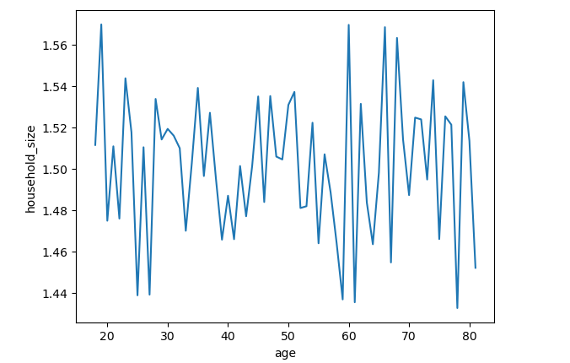
 |  |  |  | Title page

Visualisations

In this tab you should include all the visualtions from Exercises 4.9 and 4.10, alongside the questions from the project brief that they answer. Include any commentary on the relationship between different variables.

Full Data Subset Diff Abs Diff
department_id
8 15.340650 16.458105 1.117455 1.117455
6 16.439806 15.382135 -1.057671 1.057671
21 22.902379 21.956893 -0.945486 0.945486
14 16.773669 17.524632 0.750963 0.750963
3 17.170395 17.913544 0.743149 0.743149
20 16.473447 17.138607 0.665159 0.665159
1 15.457838 14.800024 -0.657814 0.657814
15 16.165037 15.691875 -0.473162 0.473162
7 17.225802 17.694027 0.468224 0.468224
17 15.694469 16.150593 0.456123 0.456123
19 17.177343 17.631340 0.453997 0.453997
16 17.665606 18.014071 0.348465 0.348465
11 16.170638 16.482026 0.311388 0.311388
18 19.310397 19.602850 0.292453 0.292453
12 15.887671 15.615061 -0.272610 0.272610
2 17.277920 17.091743 -0.186177 0.186177
10 20.197148 20.091818 -0.105330 0.105330
13 16.583536 16.484023 -0.099513 0.099513
4 17.811403 17.893092 0.081689 0.081689
9 15.895474 15.957363 0.061889 0.061889
5 15.215751 15.214270 -0.001480 0.001480
Additional comparison notes: Departments that have fluctuated the most are 8 - pets (its average is higher in subset than entire dataframe) followed by 6 - international and 21- missing (both lower in subset than entire dataframe)

 | spending_flag
 | Low spender 202822
 | High spender 3387
 | Name: count, dtype: int64
 | [45]:
 | # get percentages
 | user_avg['spending_flag'].value_counts(normalize=True)
 | [45]:
 | spending_flag
 | Low spender 0.983575
 | High spender 0.016425
 | Name: proportion, dtype: float64
 | Comment: Over 98% of customers are low-spenders, buying products that cost on average less than 10 USD
 | frequency_flag
 | Frequent customer 86596
 | Regular customer 59993
 | Non-frequent customer 59619
 | NaN 1
 | Name: count, dtype: int64
 | [60]:
 | # get percentages
 | user_freq['frequency_flag'].value_counts(normalize=True)
 | [60]:
 | frequency_flag
 | Frequent customer 0.419945
 | Regular customer 0.290934
 | Non-frequent customer 0.289121
 | Name: proportion, dtype: float64

 | **Comment: Over 40% of users are frequent customers (up to 10 days between orders). Around 30% are regular customers (10–20 days), and the rest are non-frequent customers (over 20 days between orders).**

 |  | Business per day of the week - Sunday and Monday lead are days with most orders, Thursday and Wednesday are least busy days.

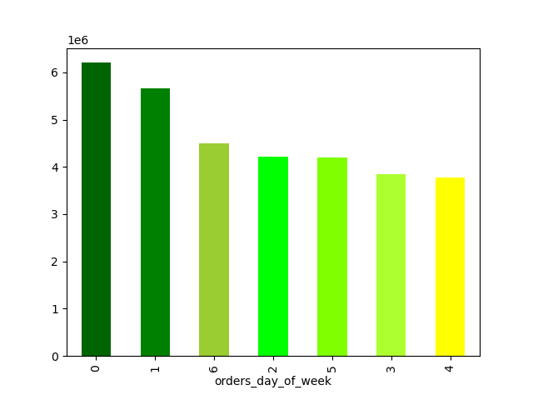

 | Friday and Saturday's orders have highest priced products - stocking up for the weekend fun?

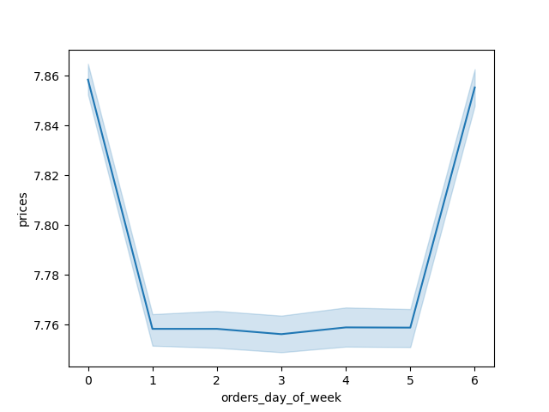

 | Most products are priced up to 15 $

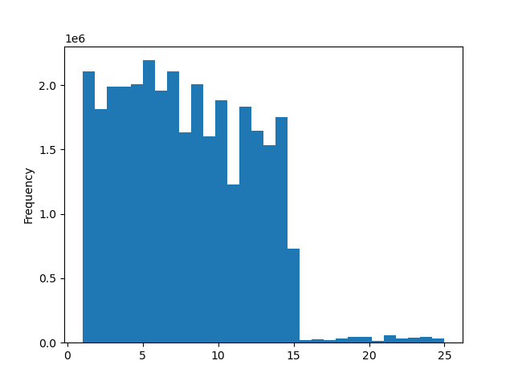

 | orders per hour: orders peak between 10 AM and 4 PM
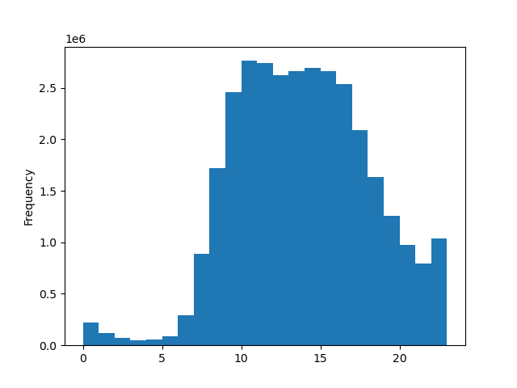

 | Prices per hour: Peak at night, valley in the morning, and recovery in the afternoon

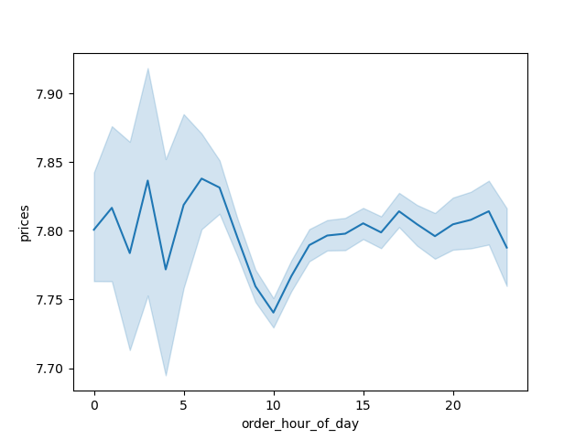

 |  | Income and age correlation: Differentiation in 3 groups (mid-low, high and very high income) starting in the 40s.Most ages have a yearly income up to 200k.

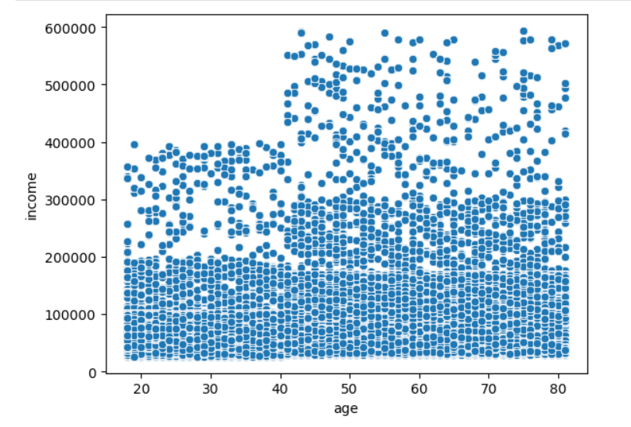

 |  |  | Age & household size: Lows in the 20s and 80 (most people being single / divorced or widowed), interestingly at 60 too (too young for most people to die. divorce-era?) where also have peak (families where children are still living with parents - economic reasons or parents became parents later in life).

7. Recommendations
 |  | Title page

Recommendations

In this tab you should include any recommendations you would made to Instcart in terms of their marketing strategy based on the questions posed in the brief. Every key question has been covered in the Tasks of the Exercises - here you need to add an item - a visualisation or table/crosstable that is showing the answer in the data, acompanied by a comment from you. Please, list the questions below and add the answer underneath.

Question | Answer
What are the busiest days of the week and hours of the day ? | Sunday & Monday; 10 AM to 4 PM
Goal is to schedule ads at times when there are fewer orders. | Primary Ad slots would be : 8-10 PM, fewer orders, yet people are active; 7 -8 AM morning traffic is rising, but still not peak

Are there particular times of the day when people spend the most money? | Prices per product peak at nighttime, 12-6 AM (peaks at around 3 and 6 AM)
This might inform the type of products advertised at these times.

Create simpler price range groupings to help direct efforts. | low-range <=5$; mid-range 6-15$; high-range >15$

Are there certain types of products that are more popular than others?

Which departments have the highest frequency of product orders.

Customer-related questions:
What’s the distribution among users in regards to their brand loyalty (i.e., how often do they return to Instacart)?
Are there differences in ordering habits based on a customer’s loyalty status?
Are there differences in ordering habits based on a customer’s region?
Is there a connection between age and family status in terms of ordering habits?
What different classifications does the demographic information suggest? Age? Income? Certain types of goods? Family status?
What differences can you find in ordering habits of different customer profiles?
Consider the price of orders, the frequency of orders, the products customers are ordering, and anything else you can think of.

